Instructions
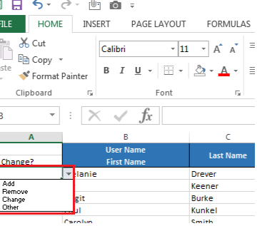
If you need to add, remove, or change Planning and Budgeting users please use the Summary sheet to make the changes.
Review the current list of license users. If a change is needed select the type from the dropdown.
Please indicate the highest organization level the individual will budget. If I were budgeting for Information Technology I would request B4000. If you have multiple organizations that don't fall within a roll-up list them separately (O_40003, O_21001)
There are blank lines at the bottom of the table if new users need to be added. If you are replacing a user please note the change, including the individual to be replaced, in the comments section
If you have questions contact PJ Shumway at shumway@uwyo.edu or 766-4183.

